TOTAL
Alkalmazott szűrők: Highlighted nem egyezik ezzel: (Üres) Arrival_date ekkori vagy későbbi a következőnél: 2026.03.09. 0:00:00 és dátuma korábbi, mint 2026.03.16. 0:00:00 Mandatory egyezik ezzel: Yes LSP egyezik ezzel: Maersk Canceled_shipment egyezik ezzel: N
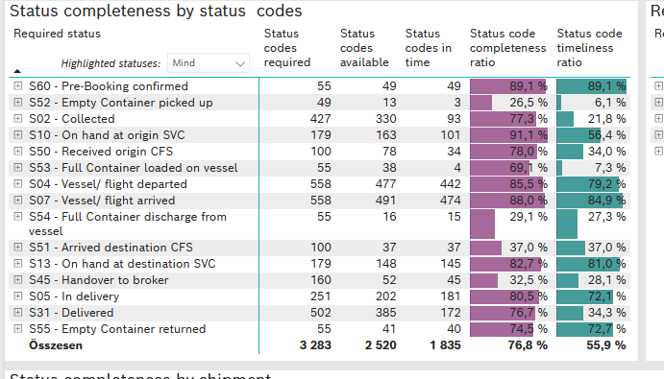
Required status | STATUS_TYPE | Service_Provider | Status codes required | Status codes available | Status codes in time | Status code completeness ratio | Status code timeliness ratio
S60 - Pre-Booking confirmed | Actual | 0000056066 - Maersk | 55 | 49 | 49 | 89.1 % | 89.1 %
S52 - Empty Container picked up | Actual | 0000056066 - Maersk | 49 | 13 | 3 | 26.5 % | 6.1 %
S02 - Collected | Actual | 0000056066 - Maersk | 238 | 177 | 93 | 74.4 % | 39.1 %
S02 - Collected | Estimated | 0000056066 - Maersk | 189 | 153 | 0 | 81.0 % | 0.0 %
S10 - On hand at origin SVC | Actual | 0000056066 - Maersk | 179 | 163 | 101 | 91.1 % | 56.4 %
S50 - Received origin CFS | Actual | 0000056066 - Maersk | 100 | 78 | 34 | 78.0 % | 34.0 %
S53 - Full Container loaded on vessel | Actual | 0000056066 - Maersk | 55 | 38 | 4 | 69.1 % | 7.3 %
S04 - Vessel/ flight departed | Actual | 0000056066 - Maersk | 279 | 237 | 235 | 84.9 % | 84.2 %
S04 - Vessel/ flight departed | Estimated | 0000056066 - Maersk | 279 | 240 | 207 | 86.0 % | 74.2 %
S07 - Vessel/ flight arrived | Actual | 0000056066 - Maersk | 279 | 244 | 242 | 87.5 % | 86.7 %
S07 - Vessel/ flight arrived | Estimated | 0000056066 - Maersk | 279 | 247 | 232 | 88.5 % | 83.2 %
S54 - Full Container discharge from vessel | Actual | 0000056066 - Maersk | 55 | 16 | 15 | 29.1 % | 27.3 %
S51 - Arrived destination CFS | Actual | 0000056066 - Maersk | 100 | 37 | 37 | 37.0 % | 37.0 %
S13 - On hand at destination SVC | Actual | 0000056066 - Maersk | 179 | 148 | 145 | 82.7 % | 81.0 %
S45 - Handover to broker | Actual | 0000056066 - Maersk | 80 | 32 | 29 | 40.0 % | 36.3 %
S45 - Handover to broker | Estimated | 0000056066 - Maersk | 80 | 20 | 16 | 25.0 % | 20.0 %
S05 - In delivery | Actual | 0000056066 - Maersk | 251 | 202 | 181 | 80.5 % | 72.1 %
S31 - Delivered | Actual | 0000056066 - Maersk | 251 | 191 | 41 | 76.1 % | 16.3 %
S31 - Delivered | Estimated | 0000056066 - Maersk | 251 | 194 | 131 | 77.3 % | 52.2 %
S55 - Empty Container returned | Actual | 0000056066 - Maersk | 55 | 41 | 40 | 74.5 % | 72.7 %

BCO
Alkalmazott szűrők: Highlighted nem egyezik ezzel: (Üres) Arrival_date ekkori vagy későbbi a következőnél: 2026.03.09. 0:00:00 és dátuma korábbi, mint 2026.03.16. 0:00:00 Mandatory egyezik ezzel: Yes LSP egyezik ezzel: Maersk Service_Load egyezik ezzel: BCO Canceled_shipment egyezik ezzel: N

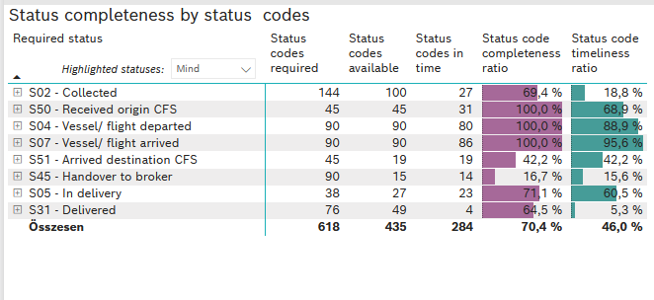
Required status | STATUS_TYPE | Service_Provider | Status codes required | Status codes available | Status codes in time | Status code completeness ratio | Status code timeliness ratio
S02 - Collected | Actual | 0000056066 - Maersk | 72 | 50 | 27 | 69.4 % | 37.5 %
S02 - Collected | Estimated | 0000056066 - Maersk | 72 | 50 | 0 | 69.4 % | 0.0 %
S50 - Received origin CFS | Actual | 0000056066 - Maersk | 45 | 45 | 31 | 100.0 % | 68.9 %
S04 - Vessel/ flight departed | Actual | 0000056066 - Maersk | 45 | 45 | 44 | 100.0 % | 97.8 %
S04 - Vessel/ flight departed | Estimated | 0000056066 - Maersk | 45 | 45 | 36 | 100.0 % | 80.0 %
S07 - Vessel/ flight arrived | Actual | 0000056066 - Maersk | 45 | 45 | 45 | 100.0 % | 100.0 %
S07 - Vessel/ flight arrived | Estimated | 0000056066 - Maersk | 45 | 45 | 41 | 100.0 % | 91.1 %
S51 - Arrived destination CFS | Actual | 0000056066 - Maersk | 45 | 19 | 19 | 42.2 % | 42.2 %
S45 - Handover to broker | Actual | 0000056066 - Maersk | 45 | 10 | 10 | 22.2 % | 22.2 %
S45 - Handover to broker | Estimated | 0000056066 - Maersk | 45 | 5 | 4 | 11.1 % | 8.9 %
S05 - In delivery | Actual | 0000056066 - Maersk | 38 | 27 | 23 | 71.1 % | 60.5 %
S31 - Delivered | Actual | 0000056066 - Maersk | 38 | 29 | 4 | 76.3 % | 10.5 %
S31 - Delivered | Estimated | 0000056066 - Maersk | 38 | 20 | 0 | 52.6 % | 0.0 %

FCL
Alkalmazott szűrők: Highlighted nem egyezik ezzel: (Üres) Arrival_date ekkori vagy későbbi a következőnél: 2026.03.09. 0:00:00 és dátuma korábbi, mint 2026.03.16. 0:00:00 Mandatory egyezik ezzel: Yes LSP egyezik ezzel: Maersk Service_Load egyezik ezzel: FCL Canceled_shipment egyezik ezzel: N

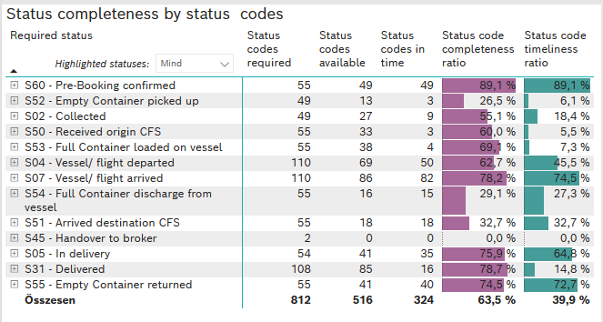
Required status | STATUS_TYPE | Service_Provider | Status codes required | Status codes available | Status codes in time | Status code completeness ratio | Status code timeliness ratio
S60 - Pre-Booking confirmed | Actual | 0000056066 - Maersk | 55 | 49 | 49 | 89.1 % | 89.1 %
S52 - Empty Container picked up | Actual | 0000056066 - Maersk | 49 | 13 | 3 | 26.5 % | 6.1 %
S02 - Collected | Actual | 0000056066 - Maersk | 49 | 27 | 9 | 55.1 % | 18.4 %
S50 - Received origin CFS | Actual | 0000056066 - Maersk | 55 | 33 | 3 | 60.0 % | 5.5 %
S53 - Full Container loaded on vessel | Actual | 0000056066 - Maersk | 55 | 38 | 4 | 69.1 % | 7.3 %
S04 - Vessel/ flight departed | Actual | 0000056066 - Maersk | 55 | 35 | 34 | 63.6 % | 61.8 %
S04 - Vessel/ flight departed | Estimated | 0000056066 - Maersk | 55 | 34 | 16 | 61.8 % | 29.1 %
S07 - Vessel/ flight arrived | Actual | 0000056066 - Maersk | 55 | 42 | 42 | 76.4 % | 76.4 %
S07 - Vessel/ flight arrived | Estimated | 0000056066 - Maersk | 55 | 44 | 40 | 80.0 % | 72.7 %
S54 - Full Container discharge from vessel | Actual | 0000056066 - Maersk | 55 | 16 | 15 | 29.1 % | 27.3 %
S51 - Arrived destination CFS | Actual | 0000056066 - Maersk | 55 | 18 | 18 | 32.7 % | 32.7 %
S45 - Handover to broker | Actual | 0000056066 - Maersk | 1 | 0 | 0 | 0.0 % | 0.0 %
S45 - Handover to broker | Estimated | 0000056066 - Maersk | 1 | 0 | 0 | 0.0 % | 0.0 %
S05 - In delivery | Actual | 0000056066 - Maersk | 54 | 41 | 35 | 75.9 % | 64.8 %
S31 - Delivered | Actual | 0000056066 - Maersk | 54 | 42 | 10 | 77.8 % | 18.5 %
S31 - Delivered | Estimated | 0000056066 - Maersk | 54 | 43 | 6 | 79.6 % | 11.1 %
S55 - Empty Container returned | Actual | 0000056066 - Maersk | 55 | 41 | 40 | 74.5 % | 72.7 %

LCL
Alkalmazott szűrők: Highlighted nem egyezik ezzel: (Üres) Arrival_date ekkori vagy későbbi a következőnél: 2026.03.09. 0:00:00 és dátuma korábbi, mint 2026.03.16. 0:00:00 Mandatory egyezik ezzel: Yes LSP egyezik ezzel: Maersk Service_Load egyezik ezzel: LCL Canceled_shipment egyezik ezzel: N
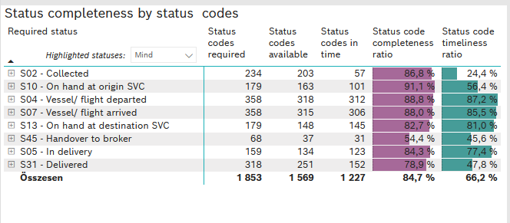
Required status | STATUS_TYPE | Service_Provider | Status codes required | Status codes available | Status codes in time | Status code completeness ratio | Status code timeliness ratio
S02 - Collected | Actual | 0000056066 - Maersk | 117 | 100 | 57 | 85.5 % | 48.7 %
S02 - Collected | Estimated | 0000056066 - Maersk | 117 | 103 | 0 | 88.0 % | 0.0 %
S10 - On hand at origin SVC | Actual | 0000056066 - Maersk | 179 | 163 | 101 | 91.1 % | 56.4 %
S04 - Vessel/ flight departed | Actual | 0000056066 - Maersk | 179 | 157 | 157 | 87.7 % | 87.7 %
S04 - Vessel/ flight departed | Estimated | 0000056066 - Maersk | 179 | 161 | 155 | 89.9 % | 86.6 %
S07 - Vessel/ flight arrived | Actual | 0000056066 - Maersk | 179 | 157 | 155 | 87.7 % | 86.6 %
S07 - Vessel/ flight arrived | Estimated | 0000056066 - Maersk | 179 | 158 | 151 | 88.3 % | 84.4 %
S13 - On hand at destination SVC | Actual | 0000056066 - Maersk | 179 | 148 | 145 | 82.7 % | 81.0 %
S45 - Handover to broker | Actual | 0000056066 - Maersk | 34 | 22 | 19 | 64.7 % | 55.9 %
S45 - Handover to broker | Estimated | 0000056066 - Maersk | 34 | 15 | 12 | 44.1 % | 35.3 %
S05 - In delivery | Actual | 0000056066 - Maersk | 159 | 134 | 123 | 84.3 % | 77.4 %
S31 - Delivered | Actual | 0000056066 - Maersk | 159 | 120 | 27 | 75.5 % | 17.0 %
S31 - Delivered | Estimated | 0000056066 - Maersk | 159 | 131 | 125 | 82.4 % | 78.6 %

